Sheet1
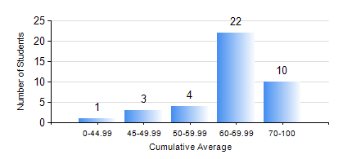
 |  |  | KWAME NKRUMAH UNIVERSITY OF SCIENCE AND TECHNOLOGY, KUMASI Department of Chemical Engineering

 |  |  | BSC. PETROCHEMICAL ENG.

 |  |  | COMPREHENSIVE RECORD OF EXAMINATION RESULTS

 |  |  | RESULTS OF YEAR 4 SECOND SEMESTER, 2018/2019 ACADEMIC YEAR

 | Sn | Course Code |  | Course Name | Credit Hours | Min. Mark | Max. Mark | Avg. Mark | Std. Dev. | No. Passed | No. Trailed | No. (Df) | No. (I) | No. (I*) | No. Tagged(I,I*,Df) | Total
 | 0. |  |  |  |  |  |  | 0 | 0 | 0 | 0 | 0 | 0 | 0 | 0 | 2
 | 1. | CHE 456 |  | PROCESS CONTROL AND SIMULATION | 3 | 40 | 81 | 66 | 10.48 | 37 | 0 | 0 | 1 | 0 | 1 | 38
 | 2. | CHE 458 |  | ENTREPRENEURSHIP AND BUSINESS DEVELOPMENT | 3 | 44 | 76 | 68 | 6.73 | 38 | 0 | 0 | 0 | 0 | 0 | 38
 | 3. | CHE 464 |  | ADSORPTION SEPARATION PROC. TECHNOLOGY | 2 | 40 | 91 | 61 | 12.67 | 24 | 0 | 0 | 0 | 0 | 0 | 24
 | 4. | MSE 356 |  | ENGINEERING PROPERTIES OF POLYMERS | 2 | 42 | 84 | 64 | 13.03 | 14 | 0 | 0 | 0 | 0 | 0 | 14
 | 5. | PCE 450 |  | PETROLEUM REFINING ENGINEERING | 2 | 42 | 91 | 72 | 10.97 | 38 | 0 | 0 | 0 | 0 | 0 | 38
 | 6. | PCE 452 |  | FIELD TRIP AND INDUSTRIAL ATTACHMENT | 2 | 68 | 88 | 79 | 5.72 | 38 | 0 | 0 | 0 | 0 | 0 | 38
 | 7. | PCE 454 |  | PROJECT II | 5 | 60 | 87 | 74 | 6.2 | 37 | 0 | 0 | 1 | 0 | 1 | 38

